Sheet1
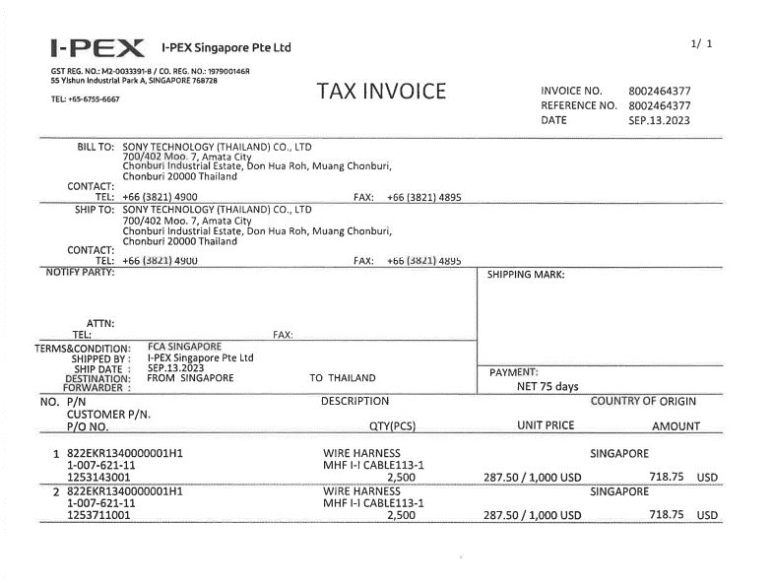

INVOICE _NO

UNIT_PRICE 287.50/1000 = 0.28750
QTY
ITEM_NO
AMOUNT

PO_NO

